Script
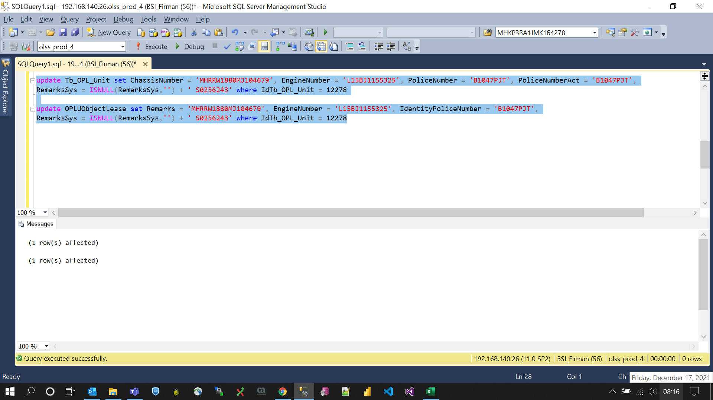
update Tb_OPL_Unit set ChassisNumber = 'MHRRW1880MJ104679', EngineNumber = 'L15BJ1155325', PoliceNumber = 'B1047PJT', PoliceNumberAct = 'B1047PJT',
RemarksSys = ISNULL(RemarksSys,'') + ' S0256243' where IdTb_OPL_Unit = 12278

update OPLUObjectLease set Remarks = 'MHRRW1880MJ104679', EngineNumber = 'L15BJ1155325', IdentityPoliceNumber = 'B1047PJT',
RemarksSys = ISNULL(RemarksSys,'') + ' S0256243' where IdTb_OPL_Unit = 12278

Screenshot
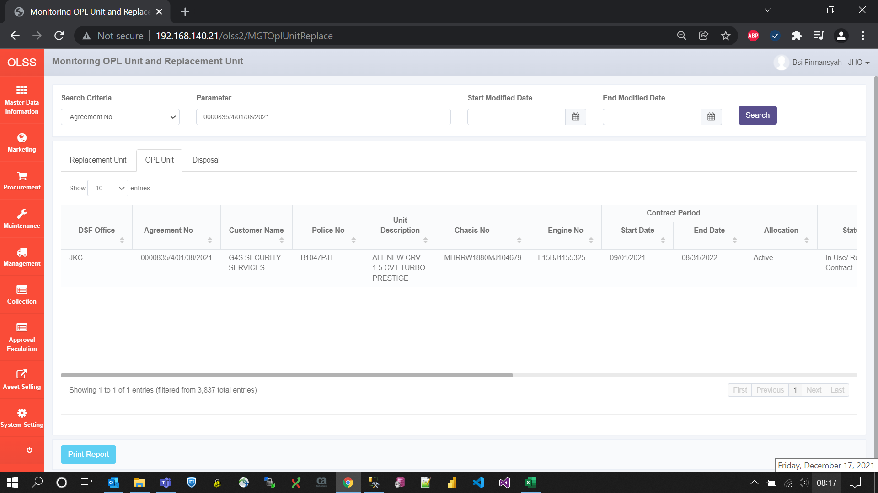
BEFORE
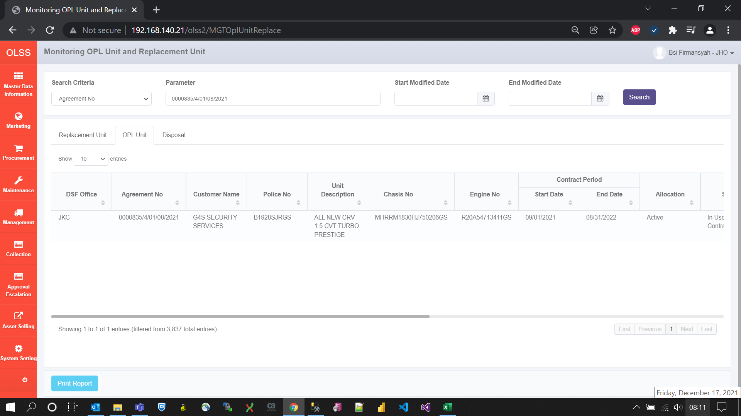

AFTER

